Headers
 | User input | auto calculated | From another Table |  | From look up table

Heading First Page Only
STATE OF CALIFORNIA
Indoor Lighting
NRCC-LTI-E (Created XX/XX) |  |  |  | CALIFORNIA ENERGY COMMISSION
CERTIFICATE OF COMPLIANCE |  |  |  |  | NRCC-LTI-E
This document is used to demonstrate compliance with requirements in §110.9, §110.12(c), §130.0, §130.1, §140.6, and §141.0(b)2 for indoor lighting scopes using the prescriptive path.
Project Name: |  |  |  | Report Page: | Page 1 of ??
Project Address: |  |  |  | Date Prepared:

Heading All Other Pages
STATE OF CALIFORNIA
Indoor Lighting
NRCC-LTI-E (Created XX/XX) |  |  |  | CALIFORNIA ENERGY COMMISSION
CERTIFICATE OF COMPLIANCE |  |  |  |  | NRCC-LTI-E
Project Name: |  |  |  | Report Page: | Page 2 of ??
Footer All Pages
Project Address: |  |  |  | Date Prepared:

CA Building Energy Efficiency Standards - 2019 Nonresidential Compliance: http://www.energy.ca.gov/title24/2019standards

A. General Info
 | User input |  | auto calculated |  | From another Table |  | From look up table

?
A. GENERAL INFORMATION
01 | Project Location (city) |  |  |  |  | 04 | Total Conditioned Floor Area (ft²)
02 | Climate Zone |  |  |  |  | 05 | Total Unconditioned Floor Area (ft²)
03 | Occupancy Types Within Project (select all that apply): |  |  |  |  | 06 | # of Stories (Habitable Above Grade)
¨ | Office | ¨ | Retail | ¨ | Warehouse | ¨ | Hotel/ Motel | ¨ | School | ¨ | Support Areas
¨ | Parking Garage | ¨ | High-Rise Residential | ¨ | Relocatable | ¨ | Healthcare | ¨ | Other (Write In):

Tool Tip:
[d:OnlyUI] Check that “Total Conditioned Floor Area” and “Total Unconditioned Floor Area” input as General Information equals the “Total Area of Work” for conditioned spaces and unconditioned spaces under Table B Project Scope. [d:/OnlyUI]

B. Project Scope
 | User input | auto calculated |  | From another Table |  | From look up table

?
B. PROJECT SCOPE
[d:OnlyUI] Table Instructions: Include any lighting systems that are within the scope of the permit application and are demonstrating compliance using the prescriptive path outlined in §140.6 or §141.0(b)2 for alterations. WARNING: Changing the Calculation Method in this table will result in the deletion of data previously input. If you need to change the calculation method, please open a new form or use "Save As". [d:/OnlyUI] [d:OnlyRG] This table includes any lighting systems that are within the scope of the permit application and are demonstrating compliance using the prescriptive path outlined in §140.6 or §141.0(b)2 for alterations. [d:/OnlyRG]
Scope of Work |  |  | Conditioned Spaces |  | Unconditioned Spaces
01 |  |  | 02 | 03 | 04 | 05
My Project Consists of (check all that apply): |  |  | Calculation Method | Area (ft²) | Calculation Method | Area (ft²)
 | New Lighting System
 | New Lighting System- Parking Garage |  | only dropdown choice is "Complete Building" |  | only dropdown choice is "Complete Building"
Add Parking Garage- Complete Bldg Method
Remove Parking Garage
Row 14 shows up if user selects "Rated Power Reduction" in column 02 AND column 03 > 5000 OR if user selects "Rated Power Reduction" in column 04 AND column 05 > 5000 OR if user selects "Rated Power Reduction" in columns 02 and 04 AND column 03 + column 05 > 5000.
 | Altered Lighting System | (Alteration type pull down)
Add Altered Lighting System
Remove Last Altered System
Total Area of Work (ft2) |  |  | 0 |  | 0
ALERT! The Rated Power Reduction Method for alterations may only be used within a building or tenant space of 5,000 ft2 or less per §141.0(b)2Iiii.

 |  | Alteration Type | Calculation Method |  | Calculation Method
 |  | Luminaire Component Modification | Complete Building | <<< | Complete Building | Triggers Table F, Table H, and Table I
 |  | Lighting Wiring Alteration | Area Category | <<< | Area Category | Triggers Table F, Table H, and Table I
 |  | Entire Luminaire Alteration | Tailored | <<< | Tailored | Triggers Table F, Table H, and Table K
 |  |  | Area Category + Tailored | <<< | Area Category + Tailored | Triggers Table F, Table H, Table I, and Table K
 |  | only shows up for alterations >> | Rated Power Reduction | <<< | Rated Power Reduction | Triggers Table Q

Tool Tip:
[d:OnlyUI] Project Scope must be defined before other sections of the NRCC-LTI will expand for user input. Check the boxes for “New Lighting System” and/or “Altered Lighting System” to access drop down menus for calculation method and alteration type. Input separate calculation methods and floor areas for conditioned and unconditioned spaces. [d:/OnlyUI]

C. Compliance
 | User input |  |  |  |  |  |  |  |  |  | From look up table

?
C. COMPLIANCE RESULTS
[d:OnlyUI] Table Instructions: If any cell on this table says "DOES NOT COMPLY" or "COMPLIES with Exceptional Conditions" refer to Table D. for guidance. [d:/OnlyUI] [d:OnlyRG] If any cell on this table says "DOES NOT COMPLY" or "COMPLIES with Exceptional Conditions" refer to Table D. for guidance. [d:/OnlyRG]
Lighting in conditioned and unconditioned spaces must not be combined for compliance per §140.6(b)1. | Allowed Lighting Power per §140.6(b) (Watts) |  |  |  |  |  | > | AdjustedLighting Power per §140.6(a) (Watts) |  |  |  | Compliance Results
 | 01 | 02 | 03 | 04 | = | 05 |  | 06 | 07 | = | 08 | 09
 | Complete Building §140.6(c)1 | Area Category §140.6(c)2 | Area Category Additional §140.6(c)2G (+) | Tailored §140.6(c)3 (+) |  | Total Allowed (Watts) |  | Total Designed (Watts) | Adjustments |  | Total Adjusted (Watts) *Includes Adjustments | 05 Must be >= 08 §140.6
 |  |  |  |  |  |  |  |  | PAF Lighting Control Credits §140.6(a)2 (-)
 | (See Table I) | (See Table I) | (See Table J) | (See Table K) |  |  |  | (See Table F) | (See Table P)
Conditioned: | 0 | 0 | sum of Total Additional Allowance for whole table | #VALUE! | = | #VALUE! | > | 0 | 0 | = | 0 | #VALUE!
Unconditioned: | 0 | 0 | sum of Total Additional Allowance for whole table | #VALUE! | = | #VALUE! | > | 0 | 0 | = | 0 | #VALUE!
Controls Compliance (See Table H for Details) |  |  |  |  |  |  |  |  |  |  | COMPLIES with Exceptional Conditions or COMPLIES or DOES NOT COMPLY
Rated Power Reduction Compliance (See Table Q for Details) |  |  |  |  |  |  |  |  |  |  | COMPLIES or DOES NOT COMPLY or NOT APPLICABLE

Tool Tip:
[d:OnlyUI] Table C is auto-filled from data found in the rest of the NRCC-LTI, and it may not be directly edited by the form user. Table C compliance results are automatically calculated from data input and calculations in Tables F through R. Total Allowed is calculated using the Complete Building, Area Category with optional additional allowance and/or Tailored calculation methods as outlined in §140.6(b). Total Adjusted is calculated by subtracting Power Adjustment Factor credit from the total Watts of the design per §140.6(a). Compliance with §140.6 is achieved when Total Allowed is greater than or equal to Total Adjusted. For alterations using the Rated Power Reduction Method in §141.0(b)2, compliance only needs to be shown in Table Q. [d:/OnlyUI]

D. Exceptional Conditions
 | User input | auto calculated | From another Table | From look up table

?
D. EXCEPTIONAL CONDITIONS
This table is auto-filled with uneditable comments because of selections made or data entered in tables throughout the form.

The conditioned and/or unconditioned floor area entered in Table A. does not match the total areas entered in Table B or Table I.
Table H. indicates a control requiring a note describing the compliance approach, but no notes have been entered.
Additional power allowance for portable lighting in offices has been indicated on Table I, however Table J has not been completed to calculate the allowance.
Track Lighting has been included in this project, details are provided in Table G.
Track lighting has been indicated on Table F, however Table G has not been completed to calculate the allowance.
User entered Notes in Table H will show up in Table D.
User entered Notes in Table Q will show up in Table D.
If the user changes radio button in Table T, a note saying "Selections made in Table T have been changed by the permit applicant. See Table E. Additional Remarks for permit applicant's explaination." should show up in Table D.
If the user changes radio button in Table U, a note saying "Selections made in Table U have been changed by the permit applicant. See Table E. Additional Remarks for permit applicant's explaination." should show up in Table D.
Table H. indicates multi-level, daylighting or demand response controls are not required in one or more spaces because the project is an alteration where the lighting power does not exceed 80% of the allowance from §140.6. However, Total Adjusted Power > 0.8 x Total Allowed in Table C. |  |  |  |  | Indicates wither LP is over or under 80% for ONLY ALTERED scopes
Table H. indicates multi-level, daylighting or demand response controls are not required in one or more spaces because the project includes an alteration where the lighting power does not exceed 80% of the allowance from §140.6. However, alteration lighting power documented in Table R. exceeds .8 |  |  |  |  | Indicates wither LP is over or under 80% for ALTERED AND NEW scopes
Table H. indicates multi-level, daylighting or demand response controls are not required in one or more spaces because the project includes an alteration where the lighting power does not exceed 80% of the allowance from §140.6. However, Table R. has not been completed to demonstrate compliance.

Tool Tip:
[d:OnlyUI] Table D is auto-filled with warnings and compliance notes directed to the form user and the enforcement agency based on data inputs and calculations in the rest of the NRCC-LTI. It may not be directly edited by the form user. [d:/OnlyUI]

E. Additional Remarks
 | User input | auto calculated | From another Table | From look up table

?
E. ADDITIONAL REMARKS
This table includes remarks made by the permit applicant to the Authority Having Jurisdiction.

Tool Tip:
[d:OnlyUI] Table E allows user input of additional information to support the compliance documentation. [d:/OnlyUI]

F. Lighting Schedule
 | User input |  | auto calculated |  |  | From another Table |  |  | From look up table

?
F. INDOOR LIGHTING FIXTURE SCHEDULE
[d:OnlyUI] Table Instructions: Include all permanent designed lighting and all portable lighting in offices. [d:/OnlyUI] [d:OnlyRG] This table includes all permanent designed lighting and all portable lighting in offices. [d:/OnlyRG]
Designed Wattage: Conditioned Spaces |  |  |  |  |  |  |  |  |  |  | NA8 Default
01 | 02 | 03 | 04 | 05 | 06 | 07 | 08 | 09 | 10 |  | Mfr. Spec¹
Name or Item Tag | Complete Luminaire Description | Modular (Track) Fixture | Small Aperture & Color Change1 | Watts per luminaire2 | How Wattage is Determined | Total Number Luminaires | Excluded per §140.6(a)3 | Design Watts | Field Inspector |  | Other
 |  |  |  |  |  |  |  |  | Pass | Fail
 |  | ¨ | ¨ |  |  |  | ¨ | 0 | ¨ | ¨
Total Designed Watts CONDITIONED SPACES: |  |  |  |  |  |  |  | 0
Reset
Add Row
Remove Last
Designed Wattage: Unconditioned Spaces
01 | 02 | 03 | 04 | 05 | 06 | 07 | 08 | 09 | 10
Name or Item Tag | Complete Luminaire Description | Modular (Track) Fixture | Small Aperture & Color Change1 | Watts per luminaire2 | How Wattage is Determined | Total Number Luminaires | Excluded per §140.6(a)3 | Design Watts | Field Inspector
 |  |  |  |  |  |  |  |  | Pass | Fail
 |  | ¨ | ¨ |  |  |  | ¨ | 0 | ¨ | ¨
Total Designed Watts UNCONDITIONED SPACES: |  |  |  |  |  |  |  | 0
Reset
Add Row
Remove Last
¹ FOOTNOTE: Design Watts for small aperture and color changing luminaires which qualify per §140.6(a)4B is adjusted to be 75% of their rated wattage. Table F automatically makes this adjustment, the permit applicant should enter full rated wattage in column 05.
2 Authority Having Jurisdiction may ask for Luminaire cut sheets to confirm wattage used for compliance per §130.0(c) Wattage used must be the maximum rated for the luminaire, not the lamp.
 |  |  |  |  | How Wattage is Determined
 |  |  |  |  | IF column03 = Track: column05 = "See Table G" ELSE: column05 = enum("NA8 Default", Mfr. Spec¹, Other, "JA8 Lamp")

Tool Tip:
[d:OnlyUI] Table F is used to calculate Total Design Watts for Table C, and only expands for user input when Complete Building, Area Category and Tailored methods are selected in Table B Project Scope. Enter the type, wattage and number of all installed luminaires, including display, accent and portable lighting. Identify any lighting that is deemed excluded from Actual Indoor Lighting Power Density per §140.6(a)3. [d:/OnlyUI]

G. Modular Lighting Systems
 | User input |  | auto calculated |  |  |  | From another Table |  |  |  | From look up table

?
G. MODULAR LIGHTING SYSTEMS
[d:OnlyUI] Table Instructions: Complete this table for track lighting fixtures indicated on Table F. Luminaire classification and power should be per §130.0(c)6. [d:/OnlyUI] [d:OnlyRG] This table calculates wattage for modular lighting systems/ track lighting fixtures indicated on Table F and transfers the wattage to Table F. [d:/OnlyRG]
01 | 02 | 03 | 03 |  |  |  |  |  |  |  |  |  |  |  |  |  |  |  | 04
Name or Item Tag | Complete Track Description | Total W/lf of the Track or Busway | Calculation Method per §130.0(c)6 |  |  |  |  |  |  |  |  |  |  |  |  |  |  |  | Track Wattage
autofill from Table F | autofill from Table F |  | ¨ | i | Installed Luminaires vs Default 30 W/ft | ¨ | ii | Current Limiter 1 |  |  | ¨ | iii | Overcurrent Protection Panel2 |  | ¨ | iv | Power supplied by driver, power supply or transformer1
This shows up if Method (i) is selected above>>> |  |  | Volt-Ampere Rating (as watts) |  |  |  |  |  |  |  |  |  |  |  |  |  |  |  | 0

This shows up if Method (i) is selected above>>> |  |  | Number of luminaires in system |  |  | x | Rated Watts per luminaire |  | = | Total Watts |  | OR | Linear ft of track or busway | x | Default W/LF |  | = | Total Watts | 0
 |  |  |  |  |  |  |  |  |  | 0 |  |  |  |  | 30 |  |  | 0 |  | Simon's Note for this table:
This shows up if Method (ii) is selected above>>> |  |  | VA of current limiter |  |  |  |  |  |  |  |  | OR | Linear ft of track | x | Default W/LF |  | = | Total Watts | D14
 |  |  |  |  |  |  |  |  |  |  |  |  |  | x | 12.5 |  | = | 0
This shows up if Method (iii) is selected above>>> |  |  | Voltage of branch circuit |  |  |  |  |  |  |  |  | x | Sum of Ampere ratings for all devices on panel |  |  |  |  |  | FALSE

This shows up if Method (iv) is selected above>>> |  |  | Maximum rated input wattage per manufacturer |  |  |  |  |  |  |  |  |  |  |  |  |  |  |  | 0

1 FOOTNOTE: For power-over-Ethernet lighting systems, power provided to installed non-lighting devices may be subtracted from the total power rating of the power-over-Ethernet system.

Once the track wattage is calculated in Table G, that value autofills the track "watts per luminaire" in Table F. The Table G options will have to be repeated for each track fixture type user input in Table F.

Tool Tip:
[d:OnlyUI] Table G must be completed to calculate wattage for all proposed track lighting systems. Table G only expands for user input when luminaires are identified as “Track” in Table F (column 3). The total wattage of each track lighting system for Title 24 energy compliance may be greater than the wattage of the lamps installed on the track. [d:/OnlyUI]

H. Lighting Control
 | User input |  |  | auto calculated |  | From another Table |  |  | From look up table

?
H. INDOOR LIGHTING CONTROLS (Not Including PAFs)
[d:OnlyUI] Table Instructions: Please include lighting controls for conditioned and unconditioned spaces in this table. When an option having a * is selected, the notes section of this table must be completed. The lighting controls section of the Compliance Summary Table on the first page will show "DOES NOT COMPLY" if the notes are left blank. [d:/OnlyUI] [d:OnlyRG] This table includes lighting controls for conditioned and unconditioned spaces. When a control having a * is shown, the notes section of this table provides more detail on how compliance is achieved. The lighting controls section of the Compliance Summary Table on the first page will show "DOES NOT COMPLY" if the notes are left blank. [d:/OnlyRG] |  |  | Building Level Controls
 |  |  | 01 |  |  |  |  | 02 |  |  |  |  | 03
 |  |  | Mandatory Demand Response |  |  |  |  | Shut-off Controls |  |  |  |  | Field Inspector
 |  |  | §110.12(c) |  |  |  |  | §130.1(c) |  |  |  |  | Pass | Fail
 |  |  |  |  |  |  |  | ¨ |  |  |  |  | ¨ | ¨

Area Level Controls
04 | 05 | 06 |  |  | 07 |  | 08 |  |  | 09 | 10 | 11 | 12
Area Description | Complete Building or Area Category Primary Function Area | Area Controls §130.1(a) |  |  | Multi-Level Controls §130.1(b) |  | Shut-Off Controls §130.1(c) |  |  | Primary/Skylit Daylighting | Secondary Daylighting | Interlocked Systems | Field Inspector

 |  |  |  |  |  |  |  |  |  | §130.1(d) | §140.6(d) | §140.6(a)1 | Pass | Fail
 | This dropdown will customize based on whether complete building or area category is chosen in Table B (same as Table I column 02) |  |  |  | See dropdown |  |  |  |  |  |  | ¨ | ¨ | ¨
* NOTES: Controls with a * require a note in the space below explaining how compliance is achieved. |  |  |  |  |  |  |  |  |  | 13
EX: Conference 1: Primary/Skylit Daylighting: Exempt because less than 120 watts general lighting; EXCEPTION 1 to §130.1(d)2 |  |  |  |  |  |  |  |  |  | Plan Sheet Showing Daylit Zones:
If user selects anything in the row for the space with a *, the Space Name (uneditable) should show up in Notes section. If they unselect the *, the space name should dissapear.
Reset
Add Row
Remove Last

Text from this box should show up in the D. Exceptional Conditions box & the Controls Compliance in Table C. should say "Complies with Exceptional Conditions".
If a selection marked with * is made but the user does not input text into this box, the Controls Compliance in Table C. should say "DOES NOT COMPLY".
If the user does not select any * control but does complete at least 1 line on this table, Controls Compliance in Table C. should say "COMPLIES"

 |  |  | Demand Response Dropdown
 |  |  | Required > 10,000SF
 |  |  | Not Required < 10,000SF
 |  |  | Not Required- Installing as PAF
 |  |  | Not Required- Building < 0.5 W/SF
 |  |  | NA: < 80% LP (alt only)

 |  |  |  |  | Multi-level dropdown |  |  |  |  | Primary Skylit Drpdn | Secondary Daylight Drpdn
 |  |  |  |  | Dimmer |  |  |  |  | Included | Included
 |  |  |  |  | Bi-level Switch |  |  |  |  | Exempt* | Exempt*
 |  |  |  |  | NA: < 80% LP (alt only) |  |  |  |  | NA: < 80% LP (alt only) | NA: < 80% LP (alt only)
 |  |  |  |  | Exempt* |  |  |  |  | NA | NA
 |  |  |  |  | Other*
Tool Tip:
[d:OnlyUI] Table H is required to show compliance for mandatory indoor lighting controls and prescriptive secondary daylighting controls for all new lighting systems, and for all altered lighting systems except for those complying using the Rated Power Reduction method (see Table S). Define lighting control types to be installed at the building level and in every different space or group of similar spaces in the scope of work. Select proposed control types from drop down menus and indicate if the space is exempt from daylighting controls. The notes that you type in Table H will be copied to Table D as exceptional conditions for compliance. [d:/OnlyUI]

I. Power Allowance
 | User input |  | auto calculated |  |  | From another Table |  |  | From look up table
?
I. LIGHTING POWER ALLOWANCE: COMPLETE BUILDING OR AREA CATEGORY METHODS
[d:OnlyUI] Table Instructions: Complete the table for each area complying using the Complete Building or Area Category Methods per §140.6(b). Indicate if additional lighting power allowances per §140.6(c) or adjustments per §140.6(a) are being used. [d:/OnlyUI] [d:OnlyRG] Each area complying using the Complete Building or Area Category Methods per §140.6(b) are included in this table. Column 06 indicates if additional lighting power allowances per §140.6(c) or adjustments per §140.6(a) are being used. [d:/OnlyRG]
Conditioned Spaces
01 |  |  | 02 | 03 | 04 | 05 | 06
Area Description |  |  | Complete Building or Area Category Primary Function Area | Allowed Density (W/ft2) | Area | Allowed Wattage (watts) | Additional Allowance/ Adjustment
 |  |  |  |  | (ft²) |  | Area Category | PAF | Portable Ltg
 |  |  | This dropdown will customize based on whether complete building or area category is chosen in Table B (same as Table I column 02) | From Table below |  | calculated as LPD x 04 (LPD is determined based on 02 selection) | Triggers Table J | Triggers Table P | Triggers Table J
 |  |  |  | TOTALS: | 0 | 0 | See Tables J or P for detail
Reset
Add Row
Remove Last
 |  |  |  |  |  |  | Duplicate Row | Add Row
Unconditioned Spaces
01 |  |  | 02 | 03 | 04 | 05 | 06
Area Description |  |  | Complete Building or Area Category Primary Function Area | Allowed Density (W/ft2) | Area | Allowed Wattage (watts) | Additional Allowance/ Adjustment
 |  |  |  |  | (ft²) |  | Area Category | PAF | Portable Ltg
 |  |  | This dropdown will customize based on whether complete building or area category is chosen in Table B (same as Table I column 02) | From Table below |  | calculated as LPD x 04 (LPD is determined based on 02 selection) | Triggers Table J | Triggers Table P | Triggers Table J
 |  |  |  | TOTALS: | 0 | 0 | See Tables J or P for detail
Reset
Add Row
Remove Last
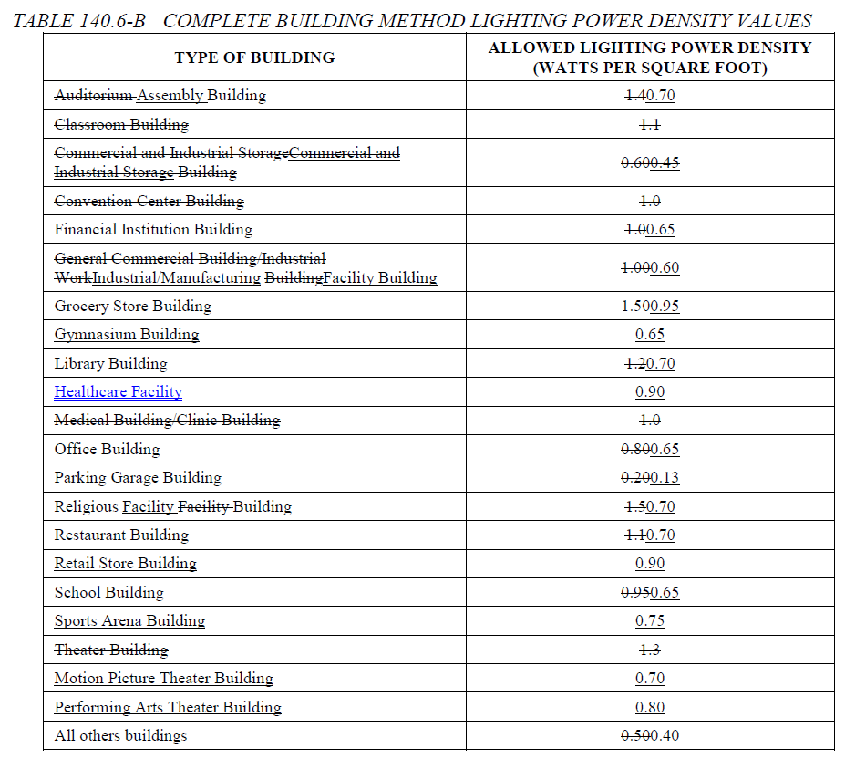
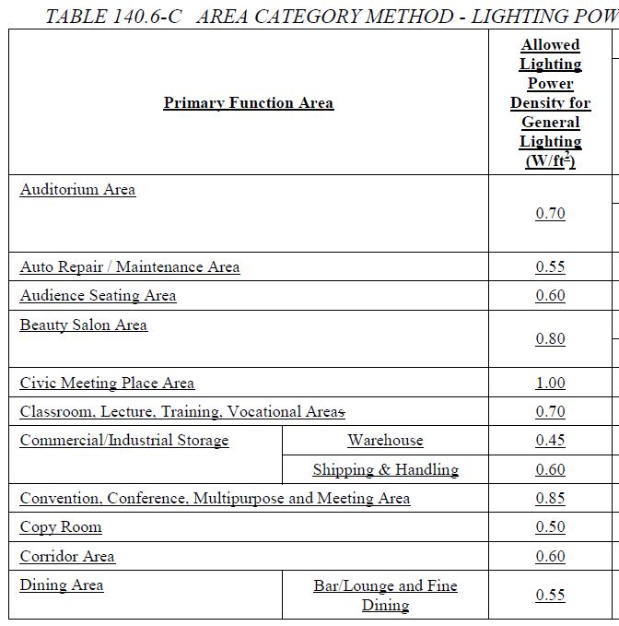
 |  |  |  |  |  |  | Duplicate Row | Add Row

 |  | Complete Building or Area Category Primary Function Area Dropdown List |  |  |  | LPD
 |  | if(Calculation Method in Table B = "Complete Building"): |  |  |  | if (Calculation Method in Table B = "Complete Building"):
 |  | "Auditorium Building"
 |  | Assembly Building |  |  |  | 0.70
 |  | "Classroom Building"
 |  | "Commercial and Industrial Storage Building"
 |  | "Convention Center Building"
 |  | "Financial Center Building" |  |  |  | 0.65
 |  | "General Commercial Building/Industrial Work Building"
 |  | Industrial Manufacturing Building |  |  |  | 0.60
 |  | "Grocery Store Building" |  |  |  | 0.95
 |  | Gymnasium Building |  |  |  | 0.65
 |  | "Library Building" |  |  |  | 0.70
 |  | Healthcare Facility |  |  |  | 0.90
 |  | "Medical Building/Clinic Building"
 |  | "Office Building" |  |  |  | 0.65
 |  | "Parking Garage Building" |  |  |  | 0.13
 |  | "Religious Facility Building" |  |  |  | 0.70
 |  | "Restaurant Building" |  |  |  | 0.70
 |  | Retail Store Building |  |  |  | 0.90
 |  | "School Building" |  |  |  | 0.65
 |  | Sports Area Building |  |  |  | 0.75
 |  | "Theater Building"
 |  | Motion Picture Theater Building |  |  |  | 0.70
 |  | Performing Arts Theater Building |  |  |  | 0.80
 |  | "All Other Building" |  |  |  | 0.40
 |  | else if (Calculation Method in Table B = "Area Category" or Calculation Method in Table B = "Area Category + Tailored"):
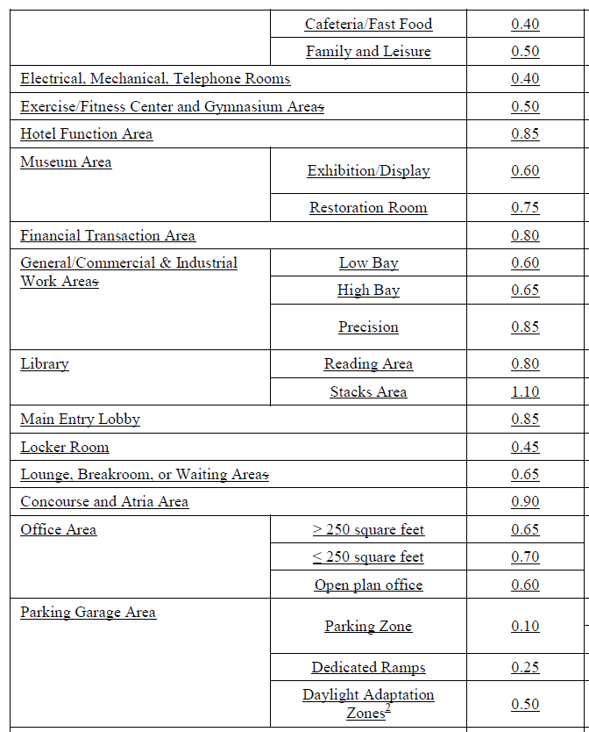
 |  | Audience Seating Area |  |  |  | 0.60
 |  | "Auditorium" |  |  |  | 0.70
 |  | "Auto Repair" |  |  |  | 0.55
 |  | "Beauty Salon" |  |  |  | 0.80
 |  | "Civic Meeting Place" |  |  |  | 1.00
 |  | "Classroom, Lecture, Training, Vocational" |  |  |  | 0.70
 |  | "Commercial and Industrial Storage" |  |  |  | 0.60
 |  | Commercial and Industrial Warehouse |  |  |  | 0.45
 |  | "Commercial and Industrial Storage (refrigerated)"
 |  | "Convention, Conference, Multipurpose, and Meeting Center" |  |  |  | 0.85
 |  | Copy Room |  |  |  | 0.50
 |  | "Corridor, Restroom, Stair, and Support"
 |  | Corridor |  |  |  | 0.60
 |  | Corridor (Low Vision) |  |  |  | 0.80
 |  | "Dining"
 |  | Dining- Family |  |  |  | 0.50
 |  | Dining- Fast Food |  |  |  | 0.40
 |  | Dining- Bar/Fine |  |  |  | 0.55
 |  | Dining (Low Vision) |  |  |  | 0.80
 |  | "Electrical, Mechanical, Telephone Rooms" |  |  |  | 0.40
 |  | "Exercise Center, Gymnasium" |  |  |  | 0.50
 |  | "Exhibit, Museum" |  |  |  | 0.60
 |  | "Financial Transaction" |  |  |  | 0.80
 |  | "General Commercial and Industrial Work - Low Bay" |  |  |  | 0.60
 |  | "General Commercial and Industrial Work - High Bay" |  |  |  | 0.65
 |  | "General Commercial and Industrial Work - Precision" |  |  |  | 0.85
 |  | "Grocery Sales" |  |  |  | 1.05
 |  | Hospital- Exam/Treatment |  |  |  | 1.15
 |  | Hospital- Imaging |  |  |  | 1.0
 |  | Hospital- Med Supply |  |  |  | 0.55
 |  | Hospital- Nursery |  |  |  | 0.95
 |  | Hospital- Nurse Station |  |  |  | 0.75
 |  | Hospital- Operating Rm |  |  |  | 1.90
 |  | Hospital- Patient Rm |  |  |  | 0.55
 |  | Hospital- Physical Therapy |  |  |  | 0.85
 |  | Hotpital- Recovery |  |  |  | 0.90
 |  | "Hotel Function" |  |  |  | 0.85
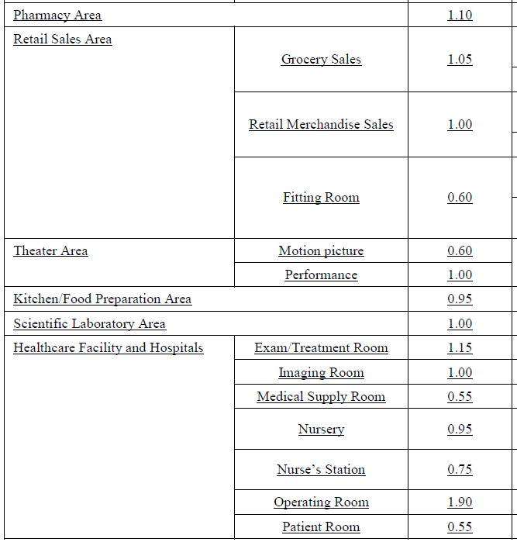
 |  | "Kitchen, Food Preparation" |  |  |  | 0.95
 |  | "Laboratory Area, Scientific" |  |  |  | 1.0
 |  | "Laundry" |  |  |  | 0.45
 |  | "Library - Reading Area" |  |  |  | 0.80
 |  | "Library - Stack Area" |  |  |  | 1.10
 |  | "Hotel Lobby"
 |  | "Main Entry Lobby" |  |  |  | 0.85
 |  | Main Entry Lobby (Low Vision) |  |  |  | 0.85
 |  | Multipurpose Rm (Low Vision) |  |  |  | 0.95
 |  | "Locker/Dressing Room" |  |  |  | 0.45
 |  | "Lounge" |  |  |  | 0.65
 |  | Lounge/ Waiting (Low Vision) |  |  |  | 0.75
 |  | "Malls and Atria" |  |  |  | 0.90
 |  | "Medical and Clinical Care"
 |  | Museum Restoration |  |  |  | 0.75
 |  | "Office (> 250 square feet)" |  |  |  | 0.65
 |  | "Office (<= 250 square feet)" |  |  |  | 0.70
 |  | Office (open) |  |  |  | 0.60
 |  | "Parking Garage - Parking Area" |  |  |  | 0.10
 |  | "Parking Garage - Dedicated Ramps" |  |  |  | 0.25
 |  | "Parking Garage - Daylight Adaption Zones" |  |  |  | 0.50
 |  | Pharmacy |  |  |  | 1.10
 |  | "Religious Worship" |  |  |  | 0.95
 |  | Religious Worship (Low Vision) |  |  |  | 1.0
 |  | Restroom |  |  |  | 0.65
 |  | Restroom (Low Vision) |  |  |  | 0.80
 |  | Retail Fitting Rm |  |  |  | 0.60
 |  | "Retail Merchandise Sales, Wholesale Showroom" |  |  |  | 1.0
 |  | Sports Arena- Class I |  |  |  | 2.25
 |  | Sports Arena- Class II |  |  |  | 1.45
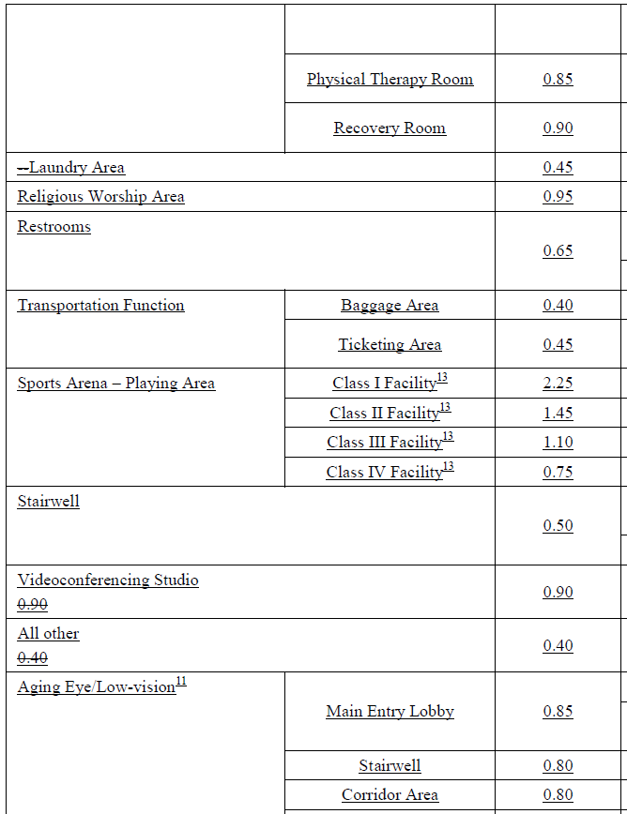
 |  | Sports Arena- Class III |  |  |  | 1.10
 |  | Sports Arena- Class IV |  |  |  | 0.75
 |  | Stairwell |  |  |  | 0.50
 |  | Stairwell (Low Vision) |  |  |  | 0.80
 |  | "Theater - Motion Picture" |  |  |  | 0.60
 |  | "Theater - Performance" |  |  |  | 1.0
 |  | "Transportation - Concourse & Baggage" |  |  |  | 0.40
 |  | "Transportation - Ticketing" |  |  |  | 0.45
 |  | "Videoconferencing Studio" |  |  |  | 0.90
 |  | "Waiting Area"
 |  | "All Other Space Types" |  |  |  | 0.40

Tool Tip:

[d:OnlyUI] Table I is used to calculate Allowed Lighting Power (Watts) for conditioned versus unconditioned space for compliance with the Complete Building and Area Category methods, and the results are automatically transferred to Table C Compliance Results. Table I only expands for user input when those compliance methods (including Area + Tailored) are selected in Table B Project Scope. Input an area description, primary function area, and floor area for each space or group of similar spaces. Check the appropriate boxes under Additional Lighting Allowance, to calculate any applicable allowances for area category qualifying lighting systems or lighting control credits (PAFs) in subsequent tables. [d:/OnlyUI]

J. ACM Qualifying System
 | User input |  | auto calculated |  |  | From another Table |  |  | From look up table

?
J. ADDITIONAL LIGHTING ALLOWANCE: AREA CATEGORY METHOD QUALIFYING LIGHTING SYSTEM
[d:OnlyUI] Table Instructions: Please complete the table for all areas indicated in Table I as using an additional allowance per the Area Category Method in Table140.6-C. [d:/OnlyUI] [d:OnlyRG] All areas indicated in Table I as using an additional allowance using the Area Category Method have been included in this table to calculate the additional allowance per Table140.6-C. [d:/OnlyRG]
Conditioned Spaces
01 | 02 | 03 | 04 | 05 | 06 | 07 | 08 | 09 | 10
Area Description | Primary Function Area | Applicable Qualifying Lighting System from Table 140.6-C | Allowed Density (W/ft²) or (W/lf) | Ltg Area, Length or ATM/ Mirror (ft², lf or #) | Extra Allowance (Watts) | Luminaire Name or Item Tag | Watts per Luminaire | Number of Luminaires | Total Design Watts
Auto fills from Tbl I. | Auto fills from Tbl I. | Dropdown (See below). Customize based on Function Area in 02 | autofilled by dropdown (see below for values) |  | calculated as 04x05 | drop down from Table F | Autofill from Table F based on 07 |  | calculated as 08x09
Add System
Add Luminaire
Remove Last
Total Design Watts: | Calculated Allowance (Watts): | Total Additional Allowance for this area:
sum of column 10 for space | sum of column 06 for space | autofill Total Design Watts or Calculated Allowance, whichever is less
11
Total Additional Allowance (Watts) CONDITIONED SPACES: |  | sum of Total Additional Allowance for whole table
Unconditioned Spaces
01 | 02 | 03 | 04 | 05 | 06 | 07 | 08 | 09 | 10
Area Description | Primary Function Area | Applicable Qualifying Lighting System from Table 140.6-C | Allowed Density (W/ft²) or (W/lf) | Ltg Area, Length or ATM/ Mirror (ft², lf or #) | Extra Allowance (Watts) | Luminaire Name or Item Tag | Watts per Luminaire | Number of Luminaires | Total Design Watts
Auto fills from Tbl I. | Auto fills from Tbl I. | Dropdown (See below). Customize based on Function Area in 02 | autofilled by dropdown (see below for values) |  | calculated as 04x05 | drop down from Table F | Autofill from Table F based on 07 |  | calculated as 08x09
Add System
Add Luminaire
Remove Last
Total Design Watts: | Calculated Allowance (Watts): | Total Additional Allowance for this area:
sum of column 10 for space | sum of column 06 for space | autofill Total Design Watts or Calculated Allowance, whichever is less
11
Total Additional Allowance (Watts) UNCONDITIONED SPACES: |  | sum of Total Additional Allowance for whole table

Add Footnote button to show up IF the primary function area is either "Retail Merchandise Sales, Wholesale Showroom" OR "Grocery Sales".
Pressing this button essentially duplicates the space in this table (but leaves columns 03-10 uncompleted for user to complete)- see pic below.
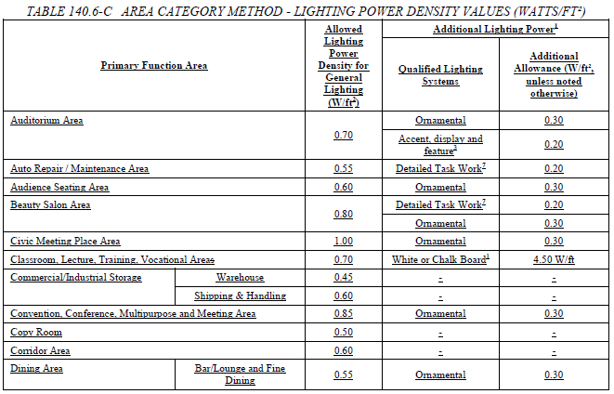

Allowed Density For Column 04 Autofill |  | Dropdown list for 03 | Applicable Function Areas
Accent/ Display | 0.20 (if "Exhibit, Museum" in 02 then 0.50) | 1. Special Task (Labs) | Laboratory Area, Scientific
Ornamental | 0.30 | 2. Special Task (Other) | (1) Auto repair area, (2) Electrical, Mechanical, Telephone rooms, (3) General Commercial and Industrial Work - Low Bay, (4) General Commercial and Industrial Work - High Bay, (5) General Commercial and Industrial Work - Precision
Detailed Task | 0.20 | 3. Ornamental | (1) Auditorium Area, (2) Civic Meeting Place, (3) Convention, Conf., Multipurpose, (4) Dining, (5) Financial Transaction, (6)Library, (7) Lobby, (8) Lounge, (9) Malls & Atria, (10) Religious worship, (11) Theatre, (12) Hotel Function, (13) Waiting
Chalk/ Whiteboard | 4.5 | 4. Precision Work | (1) General Commercial and Industrial Work - Low Bay, (2) General Commercial and Industrial Work - High Bay, (3) General Commercial and Industrial Work - Precision
Precision Work | 0.70 | 5. White/chalk Board | Classroom, Lecture, Training, Vocational
Portable Office | 0.20 | 6. Accent/ Display | (1) Grocery sales, (2) Retail Merch sales
ATM | see note for column 06 | 7. Decorative | (1) Grocery sales, (2) Retail Merch sales
Specialized Task | 0.35 | 8. Videoconferencing | Videoconferencing studio
Decorative | 0.15 | 10. ATM | Parking Garage - Parking Area
Mirror- Externally Lit | 40
Mirror- Internally Lit | 120 | 03 Dropdown
Tunable White | 0.10 | Accent/ Display
Videoconferencing | 1.0 | Ornamental
Transition OFF | 0.95
 |  | 03 Dropdown
 |  | Detailed Task

 |  | 03 Dropdown
 |  | Ornamental
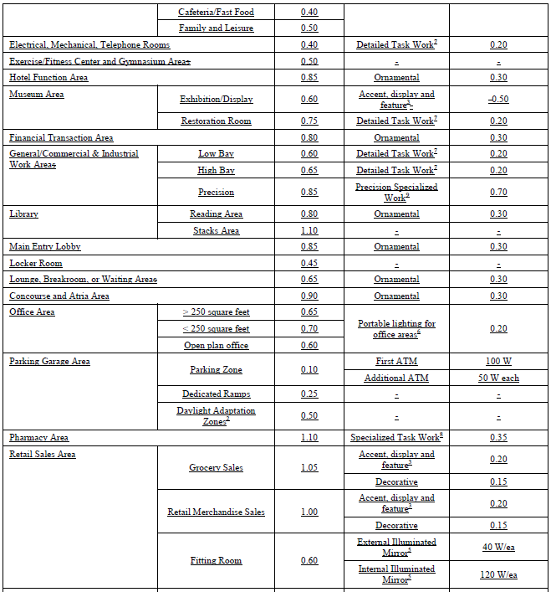
 |  | 03 Dropdown
 |  | Detailed Task
 |  | Ornamental

 |  | 03 Dropdown
 |  | Chalk/ Whiteboard

 |  | 03 Dropdown
 |  | Accent/ Display

 |  | 03 Dropdown
 |  | Precision Work

 |  | 03 Dropdown
 |  | Portable Office

 |  | 03 Dropdown
 |  | ATM

 |  | 03 Dropdown
 |  | Specialized Task

 |  | 03 Dropdown
 |  | Accent/ Display
 |  | Decorative

 |  | 03 Dropdown
 |  | Mirror- Externally Lit
 |  | Mirror- Internally Lit

 |  | 03 Dropdown
 |  | Tunable White

 |  | 03 Dropdown
 |  | Tunable White
 |  | Decorative
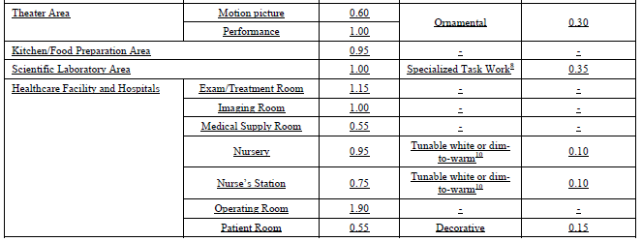
 |  | 03 Dropdown
 |  | Videoconferencing

 |  | 03 Dropdown
 |  | Ornamental
 |  | Transition OFF

 |  | 03 Dropdown
 |  | Decorative

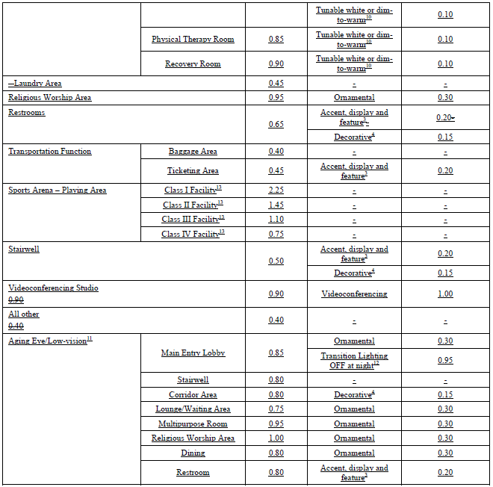
Tool Tip:
[d:OnlyUI] Table J may be completed to calculate additional allowed wattage for Qualifying Systems per Table 140.6-C, and the additional allowance is automatically transferred to Table C Compliance Results. Table J only expands for user input when “Area Category” is selected as an additional lighting allowance for a space in Table I. Select the applicable qualifying system for each area, and define the area, length or number of ATMs, as well as designed lighting in the space and the maximum possible additional allowance per space will be calculated. [d:/OnlyUI]

K. Tailored Method
 | User input |  | auto calculated |  |  | From another Table |  |  | From look up table

?
K. TAILORED METHOD GENERAL LIGHTING POWER ALLOWANCE
[d:OnlyUI] Table Instructions: Please complete this table for areas using the Tailored Method per §140.6(c)3. Indicate below if additional Tailored Method "use it or lose it" allowances are needed. Lighting that qualifies for one of the additional allowances shall not qualify for another additional allowance. [d:/OnlyUI] [d:OnlyRG] This table includes areas using the Tailored Method per §140.6(c)3. If additional Tailored Method "use it or lose it" allowances are used it is also indicated. Lighting that qualifies for one of the additional allowances shall not qualify for another additional allowance. [d:/OnlyRG]
Conditioned Spaces
General Lighting Power Allowance | ¨ Special Function Areas Triggers Table M | Additional "Use it or lose it" Allowances |  |  |  | 01
 |  | ¨ Wall Display Lighting Triggers Table L | ¨ Floor Display & Task Lighting Triggers Table M | ¨ Ornamental & Special Effects Triggers Table N | ¨ Very Valuable Merchandise Triggers Table O | Total Allowed Watts using Tailored Method
Table K (below) | Table M | Table L | Table M | Table N | Table O | #VALUE!
#VALUE! | #REF! | #VALUE! | #VALUE! | #VALUE! | #VALUE!
Calculated General Lighting Power Allowance
02 | 03 |  | 04 | 05 | 06 | 07 | 08 | 09
Area Description | Primary Function Area per Table 140.6-D |  | Illuminance Value (LUX) | Room Configuration | Allowed Density (W/ft²) | Area (ft²) | Extra Allowance (Watts) | Power Adjustment (See Table P)
 | dropdown |  | autofilled by 03 dropdown |  | This value will be determined based on illuminance value and room cavity ratio |  | #VALUE! | ¨ PAF Triggers Table P
These rows show up if Room Configuration is selected above>>> | IF column 05 = Rectangular: "Room Length (ft)" ELSE IF column 05 = Non-Rectangular: "Not Applicable" | IF column 05 = Rectangular: "Room Width (ft)" ELSE IF column 05 = Non-Rectangular: "Perimeter (ft)" | Room Height (ft) | Room Cavity Ratio (RCR)
 |  |  |  | IF 05="Rectangular" RCR = (5*Height*(Length+Width))/(Length*Width) ELSE: RCR = 2.5*Height*Width/07
Total General Power Allowance (Watts) CONDITIONED SPACES: |  |  |  |  |  |  | #VALUE!
Add Row
Remove Last
Unconditioned Spaces
General Lighting Power Allowance | ¨ Special Function Areas Triggers Table M | Additional "Use it or lose it" Allowances |  |  |  | 01
 |  | ¨ Wall Display Lighting Triggers Table L | ¨ Floor Display & Task Lighting Triggers Table M | ¨ Ornamental & Special Effects Triggers Table N | ¨ Very Valuable Merchandise Triggers Table O | Total Allowed Watts using Tailored Method
Table L (below) | Table M | Table L | Table M | Table N | Table O | #VALUE!
#VALUE! | #REF! | #VALUE! | #VALUE! | #VALUE! | #VALUE!
Calculated General Lighting Power Allowance
02 | 03 |  | 04 | 05 | 06 | 07 | 08 | 09
Area Description | Primary Function Area per Table 140.6-D |  | Illuminance Value (LUX) | Room Configuration | Allowed Density (W/ft²) | Area (ft²) | Extra Allowance (Watts) | Power Adjustment (See Table P)
 | dropdown |  | autofilled by 03 dropdown |  | This value will be determined based on illuminance value and room cavity ratio |  | #VALUE! | ¨ PAF Triggers Table P
These rows show up if Room Configuration is selected above>>> | IF column 05 = Rectangular: "Room Length (ft)" ELSE IF column 05 = Non-Rectangular: "Not Applicable" | IF column 05 = Rectangular: "Room Width (ft)" ELSE IF column 05 = Non-Rectangular: "Perimeter (ft)" | Room Height (ft) | Room Cavity Ratio (RCR)
 |  |  |  | IF 05="Rectangular" RCR = (5*Height*(Length+Width))/(Length*Width) ELSE: RCR = 2.5*Height*Width/07
Total General Power Allowance (Watts) UNCONDITIONED SPACES: |  |  |  |  |  |  | #VALUE!
Add Row
Remove Last

Tool Tip:
[d:OnlyUI] Table K is used to calculate Allowed Lighting Power (Watts) for conditioned versus unconditioned space for compliance with the Tailored method, and the results are automatically transferred to Table C Compliance Results. Table K only expands for user input when the Tailored method (including Area Category + Tailored), is selected in Table B Project Scope. [d:/OnlyUI]

 | dropdown
 | Auditorium Area
 | Convention Area
 | Conference Area
 | Multipurpose Area
 | Meeting Center Area
 | Dining Areas
 | Exhibit, Museum Areas
 | Hotel Ballroom/ Events
 | Hotel Lobby
 | Main Entry Lobby
 | Religious Worship Area
 | Retail Sales - Grocery
 | Retail Merchandise Sales
 | Showroom Area
 | Motion Picture Theater
 | Performance Theater

L. Tailored Wall Display
 | User input |  | auto calculated |  | From another Table |  |  | From look up table

?
L. ADDITIONAL LIGHTING ALLOWANCE: TAILORED WALL DISPLAY
Conditioned Spaces
01 | 02 | 03 | 04 | 05 | 06 | 07 | 08 | 09 | 10 | 11
Area Description | CALCULATED ALLOWANCE (Watts) |  |  | DESIGN WATTS |  |  |  |  |  | Additional Allowance (Watts)
 | Wall Display Length (lf) | Wall Display Density (W/lf) | Extra Allowance (Watts) | Luminaire Name or Item Tag | Mounting Height (ft) | Mounting Height Factor | Watts per Luminaire | # of Luminaires | Total Design Watts
Dropdown from Tbl K. |  | Autofill based on Primary Function (in Table K) of the area | #VALUE! | Drop down from Table F |  | i | Autofill from Table F based on 05 |  | #VALUE!
Total Design Watts for this Area: |  |  |  |  |  |  |  |  | #VALUE! | #VALUE!
Add Luminaire
Remove Last
 |  |  |  |  |  |  |  |  | Add Luminaires | Remove Last
Total Additional Allowance (Watts) CONDITIONED SPACES: |  |  |  |  |  |  |  |  |  | #VALUE!
Add Row
Remove Last
 |  |  |  |  |  |  |  |  | Add Row | Remove Last
Unconditioned Spaces
01 | 02 | 03 | 04 | 05 | 06 | 07 | 08 | 09 | 10 | 11
Area Description | CALCULATED ALLOWANCE (Watts) |  |  | DESIGN WATTS |  |  |  |  |  | Additional Allowance (Watts)
 | Wall Display Length (lf) | Wall Display Density (W/lf) | Extra Allowance (Watts) | Luminaire Name or Item Tag | Mounting Height (ft) | Mounting Height Factor | Watts per Luminaire | # of Luminaires | Total Design Watts
Dropdown from Tbl K. |  | Autofill based on Primary Function (in Table K) of the area | #VALUE! | Drop down from Table F |  | if (col06 == "≥ 16 feet"): "0.77"; else if (col06 == "12 to 16 feet"): "0.87"; else: "1"; | Autofill from Table F based on 05 |  | #VALUE!
Total Design Watts for this Area: |  |  |  |  |  |  |  |  | #VALUE! | #VALUE!
Add Luminaire
Remove Last
Remove Last
 |  |  |  |  |  |  |  |  | Add Luminaires | Remove Last
Total Additional Allowance (Watts) UNCONDITIONED SPACES: |  |  |  |  |  |  |  |  |  | #VALUE!
Add Row
Remove Last
 |  |  |  |  |  |  |  |  | Add Row | Remove Last

Tool Tip:
[d:OnlyUI] Table L only expands for user input when “Wall Display Lighting” is selected as an Additional “Use it or lose it” Allowance in Table K. [d:/OnlyUI]
Area Description is selected from a drop down populated from Table K, and display luminaires are selected from a drop down of all installed luminaires from Table F.

M. Tailored Task Lighting
 | User input |  | auto calculated |  | From another Table |  |  | From look up table

?
M. ADDITIONAL LIGHTING ALLOWANCE: TAILORED FLOOR AND TASK LIGHTING
Conditioned Spaces
01 | 02 | 03 | 04 | 05 | 06 | 07 | 08 | 09 | 10 | 11
Area Description | CALCULATED ALLOWANCE (Watts) |  |  | DESIGN WATTS |  |  |  |  |  | Additional Allowance (Watts)
 | Area (ft²) | Allowed Density (W/ft²) | Extra Allowance (Watts) | Luminaire Name or Item Tag | Mounting Height (ft) | Mounting Height Factor | Watts per Luminaire | # of Luminaires | Total Design Watts
Dropdown from Tbl K. |  | Autofill based on Primary Function (in Table K) of the area | #VALUE! | Drop down from Table F | See dropdown |  | Autofill from Table F based on 05 |  | #VALUE!
Total Design Watts for this Area: |  |  |  |  |  |  |  |  | #VALUE! | #VALUE!
Add Luminaire
Remove Last
Remove Last
 |  |  |  |  |  |  |  |  | Add Luminaires | Remove Last
Total Additional Allowance (Watts) CONDITIONED SPACES: |  |  |  |  |  |  |  |  |  | #VALUE!
Add Row
Remove Last
 |  |  |  |  |  |  |  |  | Add Row | Remove Last
Unconditioned Spaces
01 | 02 | 03 | 04 | 05 | 06 | 07 | 08 | 09 | 10 | 11
Area Description | CALCULATED ALLOWANCE (Watts) |  |  | DESIGN WATTS |  |  |  |  |  | Additional Allowance (Watts)
 | Area (ft²) | Allowed Density (W/ft²) | Extra Allowance (Watts) | Luminaire Name or Item Tag | Mounting Height (ft) | Mounting Height Factor | Watts per Luminaire | # of Luminaires | Total Design Watts
Dropdown from Tbl K. |  | Autofill based on Primary Function (in Table K) of the area | #VALUE! | Drop down from Table F | See dropdown |  | Autofill from Table F based on 05 |  | #VALUE!
Total Design Watts for this Area: |  |  |  |  |  |  |  |  | #VALUE! | #VALUE!
Add Luminaire
Remove Last
Remove Last
 |  |  |  |  |  |  |  |  | Add Luminaires | Remove Last
Total Additional Allowance (Watts) UNCONDITIONED SPACES: |  |  |  |  |  |  |  |  |  | #VALUE!
Add Row
Remove Last
 |  |  |  |  |  |  |  |  | Add Row | Remove Last

Tool Tip:
[d:OnlyUI] Table M only expands for user input when “Floor Display & Task Lighting” is selected as an Additional “Use it or lose it” Allowance in Table K. Area Description is selected from a drop down populated from Table K, and display luminaires are selected from a drop down of all installed luminaires from Table F. [d:/OnlyUI]

 |  |  |  |  | Mounting Height Dropdown
 |  |  |  |  | < 10'7"
 |  |  |  |  | 10'7"-14'
 |  |  |  |  | > 14' - 18'
 |  |  |  |  | > 18'

N. Tailored Ornamental
 | User input |  | auto calculated |  | From another Table |  |  | From look up table

?
N. ADDITIONAL LIGHTING ALLOWANCE: TAILORED ORNAMENTAL/SPECIAL EFFECTS
Conditioned Spaces
01 | 02 | 03 | 04 | 05 | 06 | 07 | 08 | 09
Area Description | CALCULATED ALLOWANCE (Watts) |  |  | DESIGN WATTS |  |  |  | Additional Allowance (Watts)
 | Area (ft²) | Allowed Density (W/ft²) | Extra Allowance (Watts) | Luminaire Name or Item Tag | Watts per Luminaire | # of Luminaires | Total Design Watts
Dropdown from Tbl K. |  | Autofill based on Primary Function (in Table K) of the area | #VALUE! | Drop down from Table F | Autofill from Table F based on 05 |  | #VALUE!
Total Design Watts for this Area: |  |  |  |  |  |  | #VALUE! | #VALUE!
Add Luminaire
Remove Last
 |  |  |  |  |  |  | Add Luminaires | Remove Last
Total Additional Allowance (Watts) CONDITIONED SPACES: |  |  |  |  |  |  |  | #VALUE!
Add Row
Remove Last
 |  |  |  |  |  |  | Add Row | Remove Last
Unconditioned Spaces
01 | 02 | 03 | 04 | 05 | 06 | 07 | 08 | 09
Area Description | CALCULATED ALLOWANCE (Watts) |  |  | DESIGN WATTS |  |  |  | Additional Allowance (Watts)
 | Area (ft²) | Allowed Density (W/ft²) | Extra Allowance (Watts) | Luminaire Name or Item Tag | Watts per Luminaire | # of Luminaires | Total Design Watts
Dropdown from Tbl K. |  | Autofill based on Primary Function (in Table K) of the area | #VALUE! | Drop down from Table F | Autofill from Table F based on 05 |  | #VALUE!
Total Design Watts for this Area: |  |  |  |  |  |  | #VALUE! | #VALUE!
Add Luminaire
Remove Last
Remove Last
 |  |  |  |  |  |  | Add Luminaires | Remove Last
Total Additional Allowance (Watts) UNCONDITIONED SPACES: |  |  |  |  |  |  |  | #VALUE!
Add Row
Remove Last
 |  |  |  |  |  |  | Add Row | Remove Last

Tool Tip:
[d:OnlyUI] Table N only expands for user input when “Ornamental & Special Effects” is selected as an Additional “Use it or lose it” Allowance in Table K. Area Description is selected from a drop down populated from Table K, and ornamental/special effects luminaires are selected from a drop down of all installed luminaires from Table F. [d:/OnlyUI]

O. Very Valuable
 | User input |  | auto calculated |  | From another Table |  |  | From look up table

?
O. ADDITIONAL LIGHTING ALLOWANCE: TAILORED VERY VALUABLE MERCHANDISE
This category includes case lighting in retail merchandise sales, museums, and religious settings, where lighting of small art objects, artifacts, or valuable collections is required. The display case shall contain jewelry, coins, fine china, fine crystal, precious stones, silver, small art objects or artifacts, and/or valuable collections the display of which involves customer inspection of very fine detail from outside of a locked case. Lighting in this category must comply with the applicable requirements in §140.6(c)3J.
Conditioned Spaces
01 | 02 | 03 | 04 | 05 | 06 | 07 | 08
Area Description | Description of Display Case | QUALIFYING FLOOR AREA |  |  | QUALIFYING DISPLAY CASE AREA
 |  | Area (ft2) | Allowed Density (W/ft²) | Extra Allowance (Watts) | Area of Display Case (ft2) | Allowed Density (W/ft²) | Extra Allowance (Watts)
Dropdown from Tbl K. |  |  | 0.55 | 0 |  | 8.0 | 0
 |  | 09 | 10 | 11 | 12 | 13
 |  | DESIGN WATTS |  |  |  | Additional Allowance (Watts)
 |  | Luminaire Name or Item Tag | Watts per Luminaire | # of Luminaires | Total Design Watts
 |  | pull down from Table F. | auto fill from Table F |  | #VALUE!
Total Design Watts for this Area: |  |  |  |  | #VALUE! | #VALUE!
Add Luminaire
Add Luminaire
Remove Last
Remove Last
 |  |  |  |  |  | Add Luminaire | Remove Last
Total Additional Allowance (Watts) CONDITIONED SPACES: |  |  |  |  |  | #VALUE!
Add Row
Remove Last
 |  |  |  |  |  | Add Row | Remove Last
Unconditioned Spaces
01 | 02 | 03 | 04 | 05 | 06 | 07 | 08
Area Description | Description of Display Case | QUALIFYING FLOOR AREA |  |  | QUALIFYING DISPLAY CASE AREA
 |  | Area (ft2) | Allowed Density (W/ft²) | Extra Allowance (Watts) | Area of Display Case (ft2) | Allowed Density (W/ft²) | Extra Allowance (Watts)
Dropdown from Tbl K. |  |  | 0.55 | 0 |  | 8.0 | 0
 |  | 09 | 10 | 11 | 12 | 13
 |  | DESIGN WATTS |  |  |  | Additional Allowance (Watts)
 |  | Luminaire Name or Item Tag | Watts per Luminaire | # of Luminaires | Total Design Watts
 |  | pull down from Table F. | auto fill from Table F |  | #VALUE!
Total Design Watts for this Area: |  |  |  |  | #VALUE! | #VALUE!
Add Luminaire
Remove Last
 |  |  |  |  |  | Add Luminaire | Remove Last
Total Additional Allowance (Watts) UNCONDITIONED SPACES: |  |  |  |  |  | #VALUE!
Add Row
Remove Last
 |  |  |  |  |  | Add Row | Remove Last

Tool Tip:
[d:OnlyUI] Table O only expands for user input when “Very Valuable Merchandise” is selected as an Additional “Use it or lose it” Allowance in Table K. Area Description is selected from a drop down populated from Table K, and display luminaires are selected from a drop down of all installed luminaires from Table F. [d:/OnlyUI]

P. PAFs
User input |  |  | auto calculated |  |  |  |  |  |  |  | From another Table |  |  | From look up table

?
P. POWER ADJUSTMENT: LIGHTING CONTROL CREDIT (POWER ADJUSTMENT FACTOR (PAF))
[d:OnlyUI] Table Instructions: Please complete the table for all areas indicated in Table I or Table K as using a PAF credit described in §140.6(a)2. [d:/OnlyUI] [d:OnlyRG] This table includes all areas indicated in Table I or Table K as using a PAF credit described in §140.6(a)2. [d:/OnlyRG]
Conditioned Spaces
01 | 02 |  |  |  |  |  |  |  |  |  | 03 | 04 | 05 | 06 | 07
Area Description | PAF per §140.6(a)21 (*Can be used in conjunction with other PAF'S) |  |  |  |  |  |  |  |  |  | Luminaires Controlled for PAF Credit |  |  |  | Additional Control Credit Allowance (Watts)
 | 1 | 2A | 2B | 2C | 3A* | 3B* | 4* | 5* | 6* | 7* | Luminaire Name or Item Tag | Watts per Luminaire | Number of Luminaires | Lighting Controlled (Watts)
 | Pick up to one |  |  |  | Pick up to one |  |  | Pick up to one2
autofill from Table I. or Table K. |  |  |  |  |  |  |  |  |  |  | pull down from Table F. | auto fill from Table F based on 03 selection |  | #VALUE! | PAF x col06
Add Luminaire
Remove Last
 |  |  |  |  |  |  |  |  |  |  |  |  | Add Luminaire |  | Remove Last
08 |  |  |  |  |  |  |  |  |  | 09
o | All spaces applying PAF 5, 6, or 7 include a daylight design meeting requirements in §140.3(d). See Table S. |  |  |  |  |  |  |  |  | Total Power Adjustment (Watts) CONDITIONED SPACES: |  |  |  |  | 0
Unconditioned Spaces
01 | 02 |  |  |  |  |  |  |  |  |  | 03 | 04 | 05 | 06 | 07
Area Description | PAF per §140.6(a)21 (*Can be used in conjunction with other PAF'S) |  |  |  |  |  |  |  |  |  | Luminaires Controlled for PAF Credit |  |  |  | Additional Control Credit Allowance (Watts)
 | 1 | 2A | 2B | 2C | 3A* | 3B* | 4* | 5* | 6* | 7* | Luminaire Name or Item Tag | Watts per Luminaire | Number of Luminaires | Lighting Controlled (Watts)
 | Pick up to one |  |  |  | Pick up to one |  |  | Pick up to one2
autofill from Table I. or Table K. |  |  |  |  |  |  |  |  |  |  | pull down from Table F. | auto fill from Table F based on 03 selection |  | #VALUE! | PAF x col06
Add Luminaire
Remove Last
 |  |  |  |  |  |  |  |  |  |  |  |  | Add Luminaire |  | Remove Last
08 |  |  |  |  |  |  |  |  | 09
o | All spaces applying PAF 5, 6, or 7 include a daylight design meeting requirements in §140.3(d). See Table S. |  |  |  |  |  |  |  | Total Power Adjustments (Watts) UNCONDITIONED SPACES: |  |  |  |  |  | 0
1 FOOTNOTES: PAFs outlined in Table 140.6-A include 1) Daylight dimming plus OFF; 2A) Occupant sensors in offices < 125 ft2; 2B) Occupant sensors in offices from 126 - 250 ft2; 2C) Occupant sensors in offices from 251 - 500 ft2; 3A) Institutional tuning, non-daylit areas; 3B) Institutional tuning, daylit areas; 4) Demand response; 5) Clerestory fenestration; 6) Horizontal slats; 7) Light shelves.
2 Luminaires that qualify for PAF 5, 6, or 7 can be used in conjunction with PAF 1.

 | PAF Calculation
 | if PAF1 is checked: PAF += 0.10 if PAF2A is checked: PAF += 0.40 if PAF2B is checked: PAF += 0.30 if PAF2C is checked: PAF += 0.20 if PAF3A is checked: PAF += 0.10 if PAF3B is checked: PAF += 0.05 if PAF4 is checked: PAF += 0.05
 | if PAF5 is checked:
 | PAF +=0.05
 | if PAF6 is checked:
 | PAF +=0.05
 | if PAF7 is checked:
 | PAF +=0.10
Tool Tip:
[d:OnlyUI] Table P may be completed to calculate additional allowed wattage for lighting control credits (PAFs) per Table 140.6-A, and the additional allowance is automatically transferred to Table C Compliance Results. Table R only expands for user input when “PAF” is selected as an additional lighting allowance for a space in Table I or Table K. Check the box or boxes for the PAFs you want, and then select the type and number of luminaires in each space to be controlled for credit. The luminaire drop down menu is populated by the entries in the Table F Indoor Lighting Fixture Schedule. The total number of each luminaire type selected in Table P must not exceed the total number of that luminaire given in Table F. [d:/OnlyUI]

Q. Rated Pwr
 | User input |  | auto calculated |  |  |  |  |  | From another Table |  |  | From look up table

Q. RATED POWER REDUCTION COMPLIANCE FOR ALTERATIONS
[d:OnlyUI] Table Instructions: Complete this table for indoor lighting alterations complying prescriptively with §141.0(b)2I(iii). Any control options having a * will require a note in the Notes section of this table, otherwise the compliance status in Table C will say "DOES NOT COMPLY". [d:/OnlyUI] [d:OnlyRG] Indoor lighting alterations complying prescriptively with §141.0(b)2I(iii) are documented in this table. Any control options having a * will include a note in the Notes section of this table detailing how compliance is achieved, otherwise the compliance status in Table C will say "DOES NOT COMPLY". [d:/OnlyRG]
01 | ¨ | Alteration scope includes a one-for-one luminaire alteration within a building or tenant space of 5,000 ft2 or less per §141.0(b)2I(iii).
02 | ¨ | At least one complete floor or complete tenant space includes a one-for-one luminaire alteration of 50 or less luminaires, per annum. These spaces do not need to comply with Part 6 requirements and therefore do not need to be included in tables below per Exception 6 to §141.0(b)2I. |  |  |  |  | Applicable Spaces |  | OR | ¨ | Exception 6 applies to all spaces within the permit application

Fixture Schedule (Incude all luminaires being altered in the project)
03 | 04 | 05 | 06 | 07 | 08 | 09 | 10 | 11 | 12 | 13 | 14
Pre-alteration Luminaire Information |  |  |  |  |  | Post-alteration Luminaire Information
Name or Item Tag | Complete Luminaire Description | Watts per luminaire1 | How Wattage is Determined | Total number of Luminaires | Total Watts | Name or Item Tag | Complete Luminaire Description | Watts per luminaire1 | How Wattage is Determined | Total number of Luminaires | Total Watts
 |  |  | see dropdown |  | 0 |  |  |  |  | 0 | 0
Reset
Add Luminaire
Remove Last
#VALUE! | Percent Power Reduction2 |  | Total Pre-alteration Wattage |  | sum of column 08 | Total Post-alteration Wattage |  |  |  |  | sum of column 14 | This whole table is redesigned for 2019
1 FOOTNOTE: Authority Having Jurisdiction may ask for Luminaire cut sheets to confirm wattage used for compliance per §130.0(c)
2 Must be at least 40% to comply with §141.0(b)2I(iii)
Mandatory Controls
15 |  | 16 |  | 17 |  | 18 |  | 19
Area Description |  | Primary Function Area |  | Area Controls §130.1(a) |  | Shut-Off Controls §130.1(c) |  | * NOTES: Controls with a * require a note in the space below explaining how compliance is achieved
 |  | See dropdown |  | See dropdown |  | See dropdown
Reset
Add Space
Remove Last

 |  |  | How Wattage Determined
 |  |  | NA8 Default
 |  |  | Mfr. Spec1
 |  |  | JA8 Lamp
 |  |  | Other

 |  | Function Area Dropdown |  | Area Controls Dropdown |  | Shutoff Controls Dropdown
 |  | Use Area Category List |  | Manual ON/OFF |  | Whole Building: Auto Time Switch
 |  |  |  | Authorized Personnel |  | Whole Building: EMCS
 |  |  |  | Annunciated * |  | Whole Building: Occ Sensor
Tool Tip: |  |  |  | Exempt* |  | Occ Sensor
[d:OnlyUI] Table Q is used for lighting alterations showing compliance using with the Rated Power Reduction method, and the results are automatically transferred to Table C Compliance Results. Table Q only expands for user input when the Rated Power Reduction method is selected in Table B Project Scope. [d:/OnlyUI] |  |  |  | Other* |  | Partial Off*
 |  |  |  |  |  | Partial On*
 |  |  |  |  |  | Vacancy
 |  |  |  |  |  | Auto Time Switch
 |  |  |  |  |  | EMCS
 |  |  |  |  |  | Exempt*
 |  |  |  |  |  | Other*

R. 80% Pwr Reduction
 |  | User input |  | auto calculated |  | From another Table |  |  | From look up table

R. 80% LIGHTING POWER FOR ALTERATIONS- CONTROLS EXCEPTIONS
[d:OnlyUI] Table Instructions: Complete this table for indoor lighting alteration spaces complying prescriptively with §141.0(b)2I(ii). If the Percent of Indoor Lighting Power Allowance exceeds 80%, the compliance status in Table C for Controls will say "DOES NOT COMPLY". [d:/OnlyUI] [d:OnlyRG] Indoor lighting alteration spaces complying prescriptively with §141.0(b)2I(ii) are included in this table to document the power reduction. If the Percent of Indoor Lighting Power Allowance exceeds 80%, the compliance status in Table C for Controls will say "DOES NOT COMPLY". [d:/OnlyRG]
01 | 02 | 03 | 04 | 05 | 06 | 07 | 08 | 09
Area Description | Complete Building or Area Category Primary Function Area | CALCULATED ALLOWANCE (Watts) |  |  | DESIGN WATTS
 |  | Area (ft²) | Allowed Density (W/ft²) | Allowance (Watts) | Luminaire Name or Item Tag | Watts per Luminaire | # of Luminaires | Total Design Watts
 | Same list as Table I column 02 |  | Autofill based on Primary Function (in 02) | #VALUE! | Drop down from Table F | Autofill from Table F based on 06 |  | #VALUE!
Total Allowance (Watts) for all Areas: |  |  |  | #VALUE! | Total Design Watts for all Areas: |  |  | #VALUE!
Add Luminaire
Remove Last
Percent of Indoor Lighting Power Allowance: |  |  |  |  |  |  |  | #VALUE!
Add Row
Remove Last

Tool Tip:
[d:OnlyUI] Table R only expands for user input when “NA: 80% LP (alt only)” is selected for multi-level, daylighting or demand response controls for any space in Table H. Table R documents the required minimum lighting power reduction of 80% to meet the control exceptions. [d:/OnlyUI]

T. Cert. of Installation
?
T. DECLARATION OF REQUIRED CERTIFICATES OF INSTALLATION
[d:OnlyUI] Table Instructions: Selections have been made based on information provided in previous tables of this document. If any selection needs to be changed, please explain why in Table E. Additional Remarks. These documents must be provided to the building inspector during construction and can be found online at https://www.energy.ca.gov/title24/2019standards/2019_compliance_documents/Nonresidential_Documents/NRCI/ [d:/OnlyUI] [d:OnlyRG] Selections have been made based on information provided in this document. If any selections have been changed by the permit applicant, an explanation should be included in Table E. Additional Remarks. These documents must be provided to the building inspector during construction and can be found online at https://www.energy.ca.gov/title24/2019standards/2019_compliance_documents/Nonresidential_Documents/NRCI/ [d:/OnlyRG]
Yes | No | Form/Title | Field Inspector
 |  |  | Pass | Fail
 |  | NRCI-LTI-01-E - Must be submitted for all buildings
 |  | NRCI-LTI-02-E - Must be submitted for a lighting control system, or for an Energy Management Control System (EMCS), to be recognized for compliance.
 |  | NRCI-LTI-04-E - Must be submitted for two interlocked systems serving an auditorium, a convention center, a conference room, a multipurpose room, or a theater to be recognized for compliance.
 |  | NRCI-LTI-05-E - Must be submitted for a Power Adjustment Factor (PAF) to be recognized for compliance.
 |  | NRCI-LTI-06-E - Must be submitted for additional wattage installed in a video conferencing studio to be recognized for compliance.

Tool Tip:
[d:OnlyUI] In addition to the Certificates of Compliance, the Standards also require a number of Certificates of Installation to be submitted to the authority having jurisdiction. This section of the compliance documentation serves as an acknowledgement of, and a declaration that Certificates of Installation are required to be submitted for compliance with the nonresidential lighting Standards. The boxes must be checked for every Certificate of Installation that applies to the job. [d:/OnlyUI]

U. Cert. of Acceptance
?
U. DECLARATION OF REQUIRED CERTIFICATES OF ACCEPTANCE
[d:OnlyUI] Table Instructions: Selections have been made based on information provided in previous tables of this document. If any selection needs to be changed, please explain why in Table E. Additional Remarks. These documents must be provided to the building inspector during construction and any with "-A" in the form name must be completed through an Acceptance Test Technician Certification Provider (ATTCP). For more information visit: http://www.energy.ca.gov/title24/attcp/providers.html [d:/OnlyUI] [d:OnlyRG] Selections have been made based on information provided in this document. If any selections have been changed by the permit applicant, an explanation should be included in Table E. Additional Remarks. These documents must be provided to the building inspector during construction and any with "-A" in the form name must be completed through an Acceptance Test Technician Certification Provider (ATTCP). For more information visit: http://www.energy.ca.gov/title24/attcp/providers.html [d:/OnlyRG]
Yes | No | Form/Title | Field Inspector
 |  |  | Pass | Fail
 |  | NRCA-LTI-02-A - Must be submitted for occupancy sensors and automatic time switch controls.
 |  | NRCA-LTI-03-A - Must be submitted for automatic daylight controls.
 |  | NRCA-LTI-04-A - Must be submitted for demand responsive lighting controls.
 |  | NRCA-LTI-05-A - Must be submitted for institutional tuning power adjustment factor (PAF).
 |  | NRCA-ENV-03-F - Must be submitted for daylighting design power adjustment factors (PAF).

Tool Tip:
[d:OnlyUI] Before an occupancy permit shall be granted for a newly constructed building or area, or a new lighting system serving a building, area, or site is operated for normal use, indoor and outdoor lighting controls serving the building, area, or site shall be certified as meeting the Acceptance Requirements for Code Compliance. This section of the compliance documentation serves as an acknowledgement of, and as a declaration that Certificates of Acceptance are required to be submitted for compliance with the nonresidential lighting Standards. The boxes must be checked for every Certificate of Acceptance that applies to the job. [d:/OnlyUI]

Signature
?
DOCUMENTATION AUTHOR'S DECLARATION STATEMENT
Documentation Author Name: | Documentation Author Signature:
Company: | Signature Date:
Address: | CEA/ HERS Certification Identification (if applicable):
City/State/Zip: | Phone:
RESPONSIBLE PERSON'S DECLARATION STATEMENT I certify the following under penalty of perjury, under the laws of the State of California: 1. The information provided on this Certificate of Compliance is true and correct. 2. I am eligible under Division 3 of the Business and Professions Code to accept responsibility for the building design or system design identified on this Certificate of Compliance (responsible designer) 3. The energy features and performance specifications, materials, components, and manufactured devices for the building design or system design identified on this Certificate of Compliance conform to the requirements of Title 24, Part 1 and Part 6 of the California Code of Regulations. 4. The building design features or system design features identified on this Certificate of Compliance are consistent with the information provided on other applicable compliance documents, worksheets, calculations, plans and specifications submitted to the enforcement agency for approval with this building permit application. 5. I will ensure that a completed signed copy of this Certificate of Compliance shall be made available with the building permit(s) issued for the building, and made available to the enforcement agency for all applicable inspections. I understand that a completed signed copy of this Certificate of Compliance is required to be included with the documentation the builder provides to the building owner at occupancy.
Responsible Designer Name: | Responsible Designer Signature:
Company: | Date Signed:
Address: | License:
City/State/Zip: | Phone:
Add Responsible Person

Tool Tip:
[d:OnlyUI] The compliance documentation is not complete until the Documentation Author and Responsible Designer fill out and sign the NRCC-LTI form. [d:/OnlyUI]

Diane, in schema this needs to allow more than one responsible person.

